Instructions_Step_2
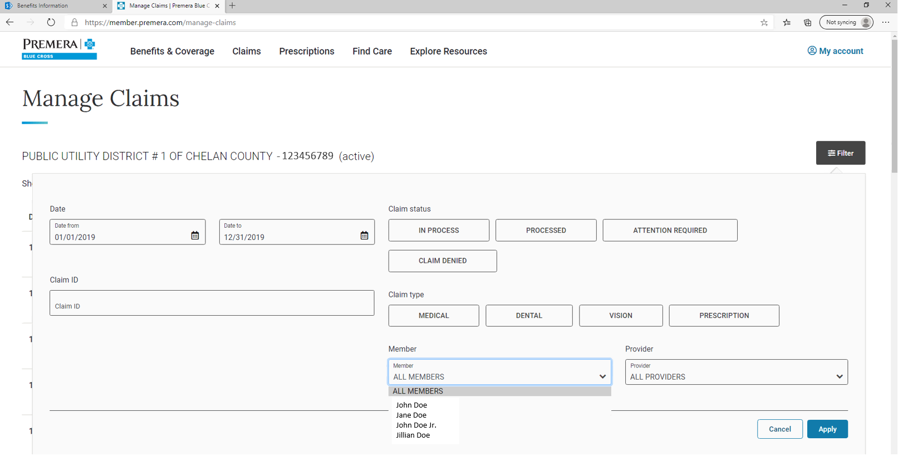
Instructions
Premera gives you the ability to see claim history for 36 months. You can use this history to test different years to better gauge which plan may be best for you.
 | If you have dependents on your plan, then you can test each of their historical results too.
1 | On the right hand side of the "Manage Claims" webpage, select "Filter"
2 | By changing the "Date from" and "Date to", you can view a full year's worth of historical claims for 2020 and 2021, and almost a full year for 2022. [Note: given plan deductibles reset each new year, set your dates to Jan. 1 and Dec. 31 to best align your expenses with the plan's reset.]
3 | In the "Member" drop-down box, select the individual whose results you want to see.
4 | In the lower right hand corner, click "Apply" to get the selected results.
5 | A new webpage will load. Go to tab "Instructions_Step_3"

Instructions_Step_3
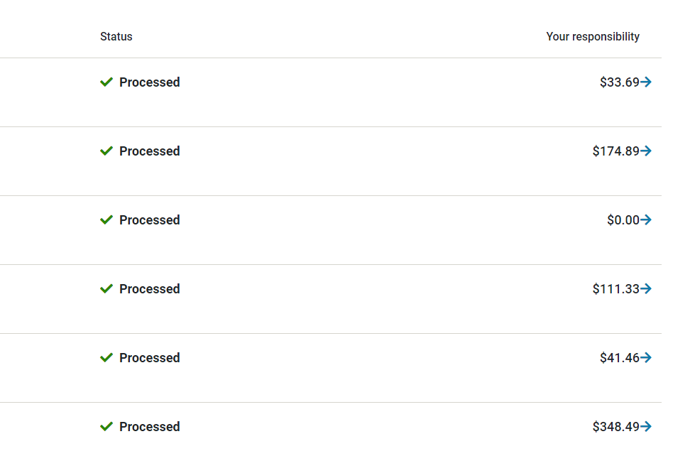
Instructions
In the screenshot below, you see the right-hand side of the Manage Claims webpage listing John Doe's claims for the year.
1 | For each transaction, you'll see a Date of service, Provider, Status, and Your Responsibility. Click the blue arrow to open transaction details.
2 | On the next screen, your transaction detail will appear with an option to see your "Explanation of Benefts". Click "Explanation of Benefits (.pdf)".
3 | Shortly after clicking "Explanation of Benefits", a hyperlink to "Open File" will appear on the webpage. Click "Open File". [Note: Depending on your web browser, it may appear somewhere besides the lower left corner.]
 | A PDF file will open. Go to tab "Instructions_Step_4_Example"

